Sheet1
 |  |  | Summary Panel | May-26
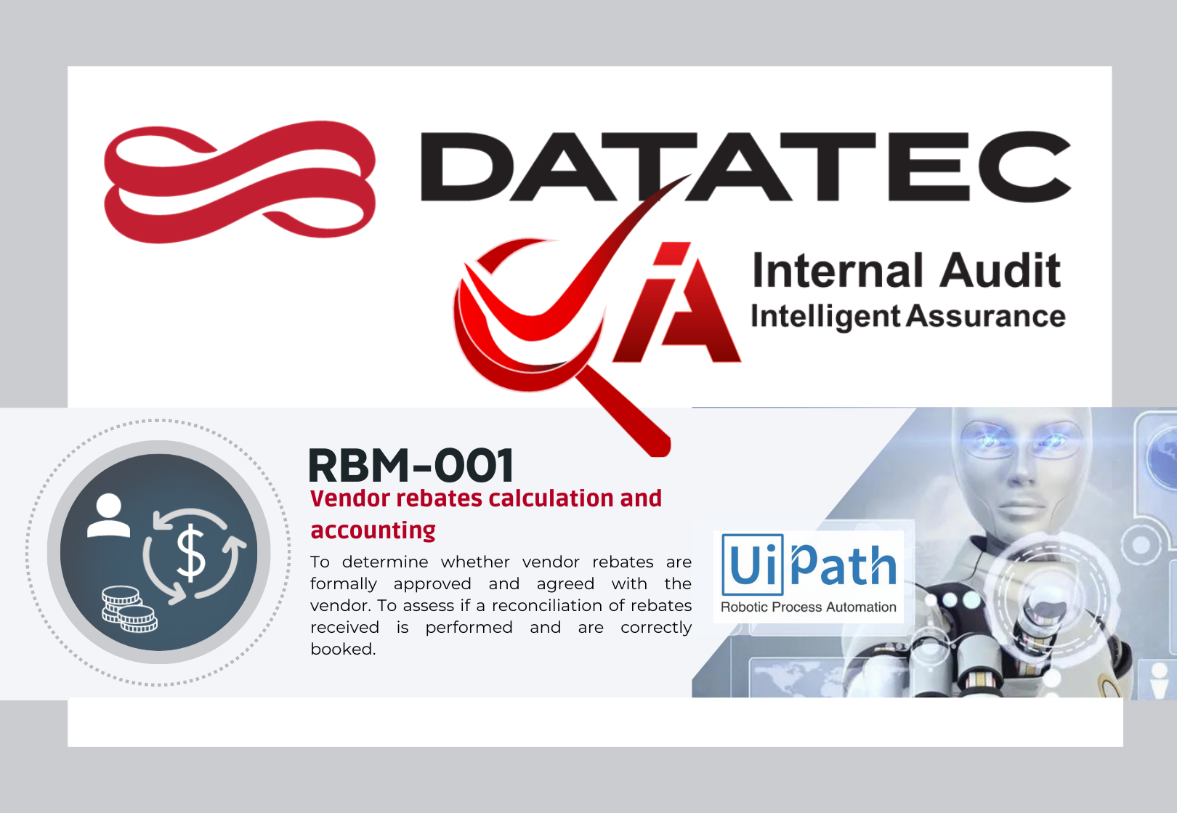
 |  |  | Field | Detail | LBR | PLOG | PTLS
 |  |  | GL5201020002 - Rebates | Diference > 5 % | 0% | 0% | 0%
 | 0 | 1 | 1112020005 - Rebates a Receber |  | 200% | 100% | 100%
 |  |  | 1112020011 - Rebates a receber
 |  |  | 1112029999 - Variação Cambial Rebates a receber
 |  |  | Rebates LBR | Amount | - | - | -
 |  |  | Rebates USD | Amount | - | - | -

ActualActualActual

